DESCRIBING SHEET
DESCRIBING SHEET (DESCRIPTION)

 |  | STYLE / MODELE | CAPURATA F FUR 3 IN 1 W | REF | EIV4521 |  |  |  |  |  |  | FABRIC / MATIERE | LIBOLON 06302 5K/5K

 |  | RANGE / LIGNE | SMU | SEASON / SAISON | FW1819 |  |  |  |  |  |  | SUPPLIER / ATELIER | PRIMA

Created on: | 2017-06-27 | EIDER CONTACT | CHIARA | SIZES / TAILLES | XS | S | M | L | XL | XXL | XXXL | CONTACT | PAMELA + JENIFER

Revised on: | 11/09/2017 1st sample comments | 04/01/2018 SMS sample comments

Base volume | CARRY-OVER OF THE STYLE EIV4164 OF THE LAST SEASON FW1718 / SAME INNER FLEECE JACKET + NEW FABRICS + NEW BASE VD18H1 WITH 1/2 WAIST MEASUREMENT MODIFIED + NEW FABRIC

OUTER JACKET

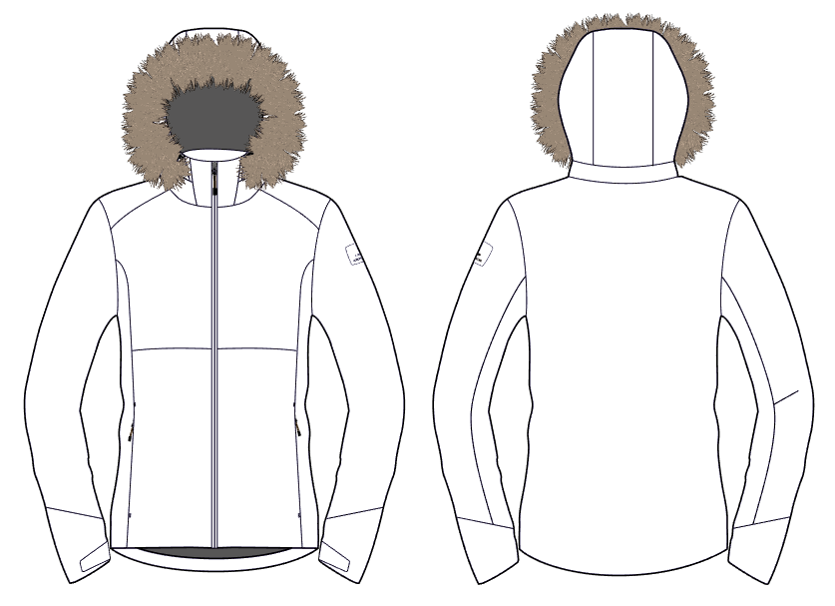

HOOD WITH 2 ADJUSTMENTS AT FRONT
+ FIXED HOOD

REMOVABLE HOOD BY ZIP

FRONT OPENING WITH ZIPPER
+ NEW PULLER
NEW : BIG PATCH RUBBER EIDER

ZIPPED HAND POCKETS UNDER CUTTING
+ NEW PULLER

DEFENDER TRANSFER
ON STORM FLAP

ADJUSTABLE CUFFS BY VELCROS TABS

INNER FLEECE JACKET

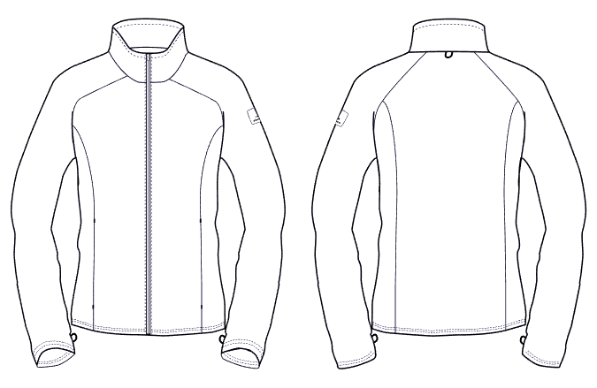
DRAWSTRING LOOP COLLAR IAS SYSTEM

FRONT OPENING WITH ZIPPER
NEW : BIG PATCH RUBBER EIDER

ZIPPED HAND POCKET UNDER FLAP

DRAWSTRING LOOP SLEEVES IAS SYSTEM

LINING
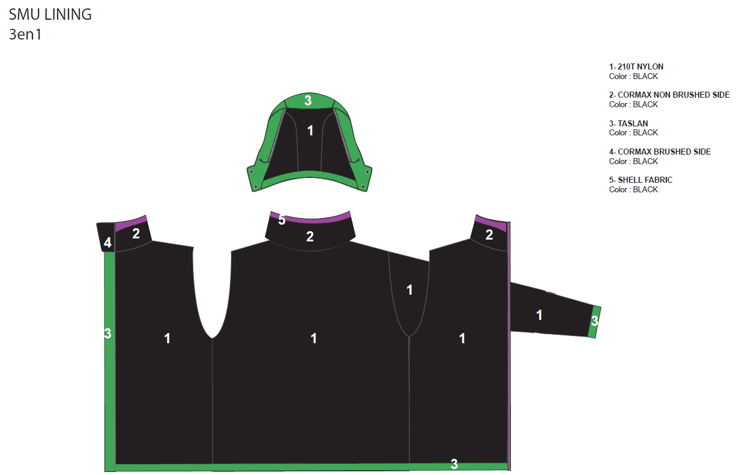
LINING (DOUBLURE)

STYLE / MODELE | CAPURATA F FUR 3 IN 1 W | REF | EIV4521 | FABRIC / MATIERE | LIBOLON 06302 5K/5K

RANGE / LIGNE | SMU | SEASON / SAISON | FW1819 | SUPPLIER / ATELIER | PRIMA

SAME LINING AS THE STYLE EIV4164 : DESING + FABRIC DISPATCH

ACCESSORIES
ACCESSORIES

STYLE / MODELE | CAPURATA F FUR 3 IN 1 W |  |  | REF | EIV4521 |  |  | FABRICS / MATIERES |  |  | LIBOLON 06302 5K/5K

RANGE/ LIGNE | SMU |  |  | SEASON / SAISON | FW1819 |  |  | SUPPLIER / ATELIER |  |  | PRIMA

PICTURE |  | REF. | PLACE |  |  | QTY
 |  |  |  |  |  |  | BLUE MORPHO | DARK NIGHT | DARK WINE | 0 | 0 | #REF! | #REF!
OUTER JACKET
ZIP
 |  | WATERPROOF 5MM REVERSED ZIP
 |  | CRO-56-MWP-YDT-066
 |  | Supplier: SHZ | FRONT OPENING |  |  | 1 | BLUE MORPHO | DARK NIGHT | CANDY PINK
 |  | VISLON ZIP 5MM

 |  | Zipper DALH
 |  | OPEN END - 1 WAY RIGHT INSERT - AUTOLOCK |  |  |  |  | YKK 020 | YKK 169 | YKK 383
PART ON OUTER JACKET :
MATCHING WITH SHELL FABRIC

 |  | VISLON ZIP IAS SYSTEM | FOR IAS SYSTEM |  |  | 1 | BLACK | BLACK | BLACK
 |  | 5MM REF YKK |  |  |  |  | YKK 580 |  | YKK 580
 |  | SLIDER DU |  |  |  |  |  | YKK 580

 |  | COIL ZIP 3MM | SIDE HAND POCKETS |  |  | 2 | BLUE MORPHO | DARK NIGHT | CANDY PINK
 |  | CLOSE END - 1WAY |  |  |  |  | YKK 020 | YKK 169 | YKK 383
 |  | SLIDDER DABLH
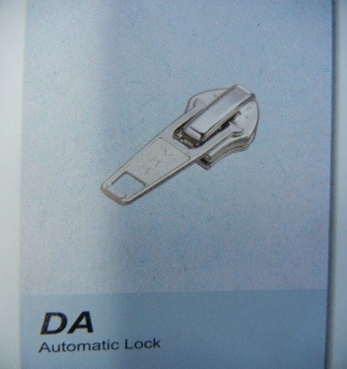
 |  | Zipper DALH

 |  | COIL ZIP 3MM | REMOVABLE HOOD |  |  | 1 | BLUE MORPHO | DARK NIGHT | CANDY PINK
 |  | SLIDER DA |  |  |  |  | YKK 020 | YKK 169 | YKK 383
 |  | AUTOLOCK
 |  | OPEN END

 |  | REVERSED ZIP 3MM | INSIDE LEFT POCKET |  |  | 1 | BLUE MORPHO | DARK NIGHT | CANDY PINK
 |  | Zipper DALH |  |  |  |  | YKK 020 | YKK 169 | YKK 383

OTHER TRIMS
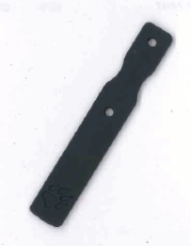 |  | NEW TRIM |  |  |  |  | BLUE MORPHO | CANDY PINK | CANDY PINK
 |  | BIG PULLER | FULL FRONT OPENING |  |  | 1
 |  | Ref: EIW18-03
 |  | Supplier: DRAGON TIMES

 |  | NEW TRIM |  |  |  |  | BLUE MORPHO | CANDY PINK | CANDY PINK
 |  | LITTLE PULLER
 |  | Ref: EIS19-05 | HAND POCKETS |  |  | 2
 |  | Supplier: DRAGON TIMES

 |  | NEW TRIM |  |  |  |  | BLUE MORPHO DARK NIGHT WHITE | CANDY PINK DARK NIGHT WHITE | CANDY PINK DARK NIGHT WHITE
 |  | TRICOLOR
 |  | DRAWSTRING OUTDOOR
 |  | Ref: EN-WB001 | BACK ADJUSTABLE HOOD |  |  | 1
 |  | Supplier: YF Zipper
 |  | ELASTIC
 |  |  |  |  |  |  | BLUE MORPHO | DARK NIGHT | CANDY PINK
 |  | DRAWCORD
 |  | Ref: EIS15U-XMCO01 | LEFT POCKET INSIDE GARMENT |  |  | 1
 |  | Supplier: YF Zipper

 |  | NOT ELASTIC
 |  |  |  |  |  |  |  |  | CANDY PINK
 |  | COLORED STOPPER supplier UNITEX ref EIS15U-XMSTP01
 |  |  |  |  |  |  | BLUE MORPHO | DARK NIGHT
 |  |  | BACK ADJUSTABLE HOOD |  |  | 1

 |  | COLORED WEBBING supplier YF ref EIS15U-XMTRE01 |  |  |  |  |  |  | CANDY PINK

 |  |  |  |  |  |  | BLUE MORPHO | DARK NIGHT
 |  |  | BACK ADJUSTABLE HOOD |  |  | 1

 |  |  |  |  |  |  |  |  | CANDY PINK
 |  | COLORED PEARL
 |  | Ref: EIS15U-XMPER01 | BACK HOOD |  |  | 1 | BLUE MORPHO | DARK NIGHT
 |  | Supplier: Unitex

 |  | EYELET 12MM

 |  |  | BACK ADJUSTABLE HOOD |  |  | 1 | SILVER | SILVER | SILVER

 |  | VELCRO + HOOK | TAB CUFF |  |  | 2M+2F | MATCHING | MATCHING | MATCHING
 |  | LOCAL SOURCING

LABELS

 |  | WOVEN HANGLOOP EIDER
 |  | Ref: EIW15-07 | INSIDE MIDDLE BACK AT TOP |  |  | 1 | BLACK | BLACK | BLACK
 |  | Supplier: SML

 |  | NEW LABEL
 |  | SIZE WOVEN LABEL MMG
 |  | ALPHA WOMEN TOP | UNDER SHELL FABRIC YOKE AT BACK |  |  | 1 | BLACK | BLACK | BLACK
 |  | Supplier: SML
 |  | Ref: LWS18-04
 |  | WITH RN + CA NUMBERS

 |  | SATIN RIBBON | INNER BACK OF JACKET WITH SKIRT |  |  | 1 | WHITE | WHITE | WHITE

FLEECE JACKET
ZIP

 |  | VISLON ZIP IAS SYSTEM | FOR IAS SYSTEM |  |  | 1 | BLUE MORPHO | DARK NIGHT | CANDY PINK
 |  | 5MM REF YKK |  |  |  |  | YKK 020 | YKK 169 | YKK 383
 |  | SLIDER DU

 |  | COIL ZIP 3MM | HAND POCKETS |  |  | 2 | BLUE MORPHO | DARK NIGHT | CANDY PINK
 |  | CLOSE END - 1WAY |  |  |  |  | YKK 020 | YKK 169 | YKK 383
 |  | SLIDDER DABLH
 |  | Zipper DALH
TRIMS

 |  | DRAWCORD
 |  | Ref: EIS 15U-XMCO01 | FRONT OPENING |  |  | 1 | DARK | DARK NIGHT | CANDY PINK
 |  | Supplier: YZ ZIPPER | HAND POCKETS |  |  | 2 | BLUE MORPHO

 |  | NEW TRIM |  |  |  |  | BLUE MORPHO DARK NIGHT WHITE | CANDY PINK DARK NIGHT WHITE | CANDY PINK DARK NIGHT WHITE
 |  | TRICOLOR | FOR LOOP ON BOTTOM SLEEVES COLLAR IAS SYSTEM |  |  | 2
 |  | DRAWSTRING OUTDOOR |  |  |  | 1
 |  | Ref: EN-WB001
 |  | Supplier: YF Zipper
 |  | ELASTIC
LABELS
 |  | NEW LABEL
 |  | SIZE WOVEN LABEL MMG
 |  | ALPHA WOMEN TOP | INSIDE COLLAR |  |  | 1 | BLACK | BLACK | BLACK
 |  | Supplier: SML
 |  | Ref: LWS18-04
 |  | WITH RN + CA NUMBERS
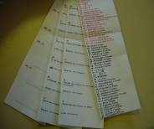
 |  | WASH CARE LABEL SUPPLIER SML | INSIDE LEFT SIDE SEAM |  |  | 1 | WHITE | WHITE | WHITE
 |  | QUALITY SATIN | 15CM OF BOTTOM

 |  | WOVEN HANGLOOP EIDER SUPPLIER SML REF EIW15-07

 |  |  | INSIDE COLLAR |  |  | 1 | BLACK | BLACK | BLACK

HANGTAGS
HANGTAGS
 |  | NEW HANGTAG

 |  | CORPORATE EIDER LARGE
 |  | REF TRIPLE STAR / EIDHT01 | CHECK THE CHARTER QUALITY FOR TO KNOW THE POSITION |  |  | 1 | X | X | X

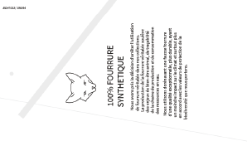
 |  | NEW HANGTAG
 |  | FUR FREE HANG TAG
 |  | REF TRIPLE STAR / EIDHT023 | INSIDE HANGTAG CORPORATE EIDER LARGE |  |  | 1 | X | X | X
 |  |  | POSITION 1

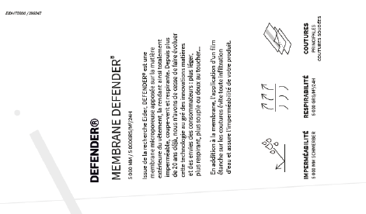
 |  | NEW HANGTAG
 |  | DEFENDER 5K / 5K
 |  | (critical seams sealed) | INSIDE HANGTAG CORPORATE EIDER LARGE |  |  | 1 | X | X | X
 |  | REF TRIPLE STAR / EIDHT0300 | POSITION 2

 |  | FAKE FUR INFORMATION | INSIDE LEFT
 |  | local sourcing | SEW WITH CARE LABEL |  |  | 1 | WHITE | WHITE | WHITE

 |  | SAME AS LAST SEASON FW1718
 |  | EIV3668

 |  | SAME QUALITY AS CANADIAN LABEL

EMBROIDERIES&PRINTS
EMBROIDERIES & PRINTS (BRODERIES ET SERIGRAPHIES)

STYLE / MODELE | CAPURATA F FUR 3 IN 1 W |  |  | REF | EIV4521 |  |  | FABRICS / MATIERES |  |  | LIBOLON 06302 5K/5K

RANGE/ LIGNE | SMU |  |  | SEASON / SAISON | FW1819 |  |  | SUPPLIER / ATELIER |  |  | PRIMA

ILLUSTRATION |  | REF. | POSITION |  |  | QTY
 |  |  |  |  |  |  | BLUE MORPHO | DARK NIGHT | DARK WINE | 0
OUTER JACKET
BARTA
Eric.Caillerez@barta.at
Christine.Wahrmann@barta.at
Ilse.Ockermuller@barta.at
FRANZ BARTA GMBH
1 PFEIFFERGASSE
A-1150 VIENNE
AUSTRIA
'00431 894 689 447
 |  | NEW BRANDING
 |  | EIDER RUBBER PLATE | LEFT SLEEVE OF JKT |  |  | 1 | AQUAMARINE | DARK NIGHT | CANDY PINK
 |  | Ref: EIW18-14 | at 22,5 cm from HPS point
 |  | Supplier: CLOTEX | SEE THE ARTWORK BELOW
 |  | add a reinforcement inner fabric

 |  | TRANSFER DEFENDER LOGO | On left sleeve at top of the cuff cutting |  |  |  | BLUE MORPHO | DARK NIGHT | CANDY PINK
 |  | LOCAL SOURCING |  |  |  | 1 | 18-4733 TPX | 19-3923 TPX | 18-2043 TPX
 |  | 4CM

FLEECE JACKET
 |  | NEW BRANDING
 |  | EIDER RUBBER PLATE | LEFT SLEEVE OF JKT |  |  | 1 | AQUAMARINE | DARK NIGHT | BLACK
 |  | Ref: EIW18-14 | at 22,5 cm from HPS point
 |  | Supplier: CLOTEX | SEE THE ARTWORK BELOW
 |  | add a reinforcement inner fabric

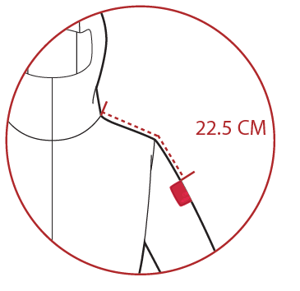
BRANDING POSITIONING FOR OUTER JACKET

REMARKS
REMARKS

STYLE / MODELE |  | CAPURATA F FUR 3 IN 1 W |  | REF | EIV4521 | FABRIC / MATIERE | LIBOLON 06302 5K/5K

RANGE / LIGNE |  | SMU |  | SEASON / SAISON | FW1819 | SUPPLIER / ATELIER | PRIMA
,
DATE | MADE BY |  | COMMENTS

 |  |  | FW18-19

 |  |  | COMMENTS ON LAUNCHING

 |  |  | CARRY OVER OF STYLE EIV4129 WITH NEW FABRIC, NEW BASE AND NEW GRADING RULES
 |  |  | ADD A FAKE FUR AT HOOD
 |  |  | NOT TOPSTITCHED ASSEMBLIES
 |  |  | NEW BRANDING : NEW LOGO AT CHEST AND ON SLEEVE. FOR SHELL JACKET AND FLEECE JACKET
 |  |  | NEW PULLER

 |  |  | PLEASE TO MAKE THE 1st PROTO WITH CORRECT FABRIC AND CORRECT INSULATION. THE SAMPLE MUST BE READY FOR THE ASIA MEETING. THANK YOU.
 |  |  | PLEASE TO MAKE A SAMPLE OF RUBBER EIDER PLATE + THE QUOTATION. SEE THE ARTWORK SENT
 |  |  | PLEASE TO MAKE SAMPLES OF NEW TRANSFER EIDER LOGO WITH CORRECT FABRIC AND COLOR TRANSFER. SEE THE ARTWORK SENT
 |  |  | PLEASE TO MAKE SAMPLES OF NEW EMBROIDERY EIDER LOGO WITH CORRECT FABRIC AND COLOR TRANSFER. SEE THE ARTWORK SENT

 | 2017-08-04 |  | NEW COLOR : DARK WINE Ei/o CANDY PINK

 |  |  | Add a adjustment at back
 |  |  | Add a patch under the rubber patch (inner jacket), to reinforce it. It's missing

2017-09-11 | CHIARA |  | 1ST SAMPLE COMMENTS

 |  |  | MEASURES
 | respect |  | JACKET : a lot of measures are not conform. Especially : 1/2 armhole + 1/2 upper arm width + 1/2 elbow width

 | respect |  | INNER JACKET : some measures are not conform. Especially : the 1/2 chest round + 1/2 waist round + 1/2 bottom round + Total sleeve length

 |  |  | WORKMANSHIP
 |  |  | RUBBER PLATE : please to add a patch inner jacket to reinforce it
 |  |  | BARTACKS : must be vertical
 |  |  | HOOD ADJUSTMENT : Add a adjustment on the hood at back / (We cancel the 2 adjustments at front on the TF)
 |  |  | MIDDLE FRONT : Use a zip not waterproof / Width of storm flap : 3,5cm i/o 2,5cm

 |  |  | THE RESULT
 |  |  | PLEASE TO GO AHEAD WITH THE SMS TO RESPECT THE COMMENTS AT TOP ESPECIALLY THE MEASUREMENTS

2018-01-04 | CHIARA |  | SMS SAMPLE COMMENTS

 |  |  | MEASUREMENTS
 |  |  | OUTER JKT : Respect the measure of the FRONT BREADTH and BACK BREADTH After fitting we keep the measurement found on sample for the 1/2 UPPER ARM WIDTH = 22cm The hood must be the same than the EIV4164 of the last season FW1819. It's a carry over style.

 |  |  | INNER JKT : please to respect our measurements chart, especially the TOTAL SLEEVE LENGTH (at fitting the inner jkt sleeve exceed of the sleeve of the outer jkt). PHOTO 4

 |  |  | FABRIC
 |  |  | MAIN FABRIC : for bulk use the LIBOLON fabric 06302 5K/5K

 |  |  | TRIMS
 |  |  | LITTLE PULLER RUBBER : new trims on hand pockets of outer jacket. See the accessory page.
 |  |  | BIG RUBBER PULLER : We keep the big rubber puller at the front opening of the outer jacket.
 |  |  | SLIDDER: for zipper outer jacket > hand pocket + inside pocket + front pocket > use the slidder DALH. See he accessory page
 |  |  | RUBBER PLATE : New supplier + Add 1 on the inner jacket i/o embroidery. See the accessories page. NEW NAME AQUAMARINE i/o BLUE MORPHO
 |  |  | ZIPPER : for zipper outer jacket > hand pocket + inside pocket + front pocket > use the slidder DALH. See he accessory page
 |  |  | INNER FLEECE JACKET : add a zipper on hand pocket under flap with drawcord puller. See the accessory page.
 |  |  | OUTER JACKET FRONT ZIPPER : must be Vilson and waterproof. Please respect.

 |  |  | HANGTAGS
 |  |  | NEW HANGTAGS : check the accessories page

 |  |  | COLOR WAY
 |  |  | BLUE MORPHO JKT : the NYLON lining must be GREEN FIZZ the inner jacket must be GREEN FIZZ > work in progress the drawcord at hood and on inner jkt become BLUE MORPHO / DARK NIGHT / WHITE PHOTO 1

 |  |  | DARK NIGHT JKT : the NYLON lining must be CANDY PINK the inner jacket must be CANDY PINK > work in progress

 |  |  | DARK WINE JKT : OK the NYLON lining with BLACK color the pearl at hood must be CANDY PINK i/o BLACK inner jacket the rubber plate at sleeve must be BLACK the shell facings of the jacket become DARK WINE i/o DARK NIGHT PHOTO 2

 |  |  | WORKMANSHIP
 |  |  | HOOD CONSTRUCTION : could you make the same construction to connect the hood at jacket than the style EIV4505. PHOTO 3
 |  |  | INNER JKT : please to improve the raglan line to respect our technical draw. Is too masculine one the sample because the line is too high. PHOTO 5

 |  |  | THE RESULT
 |  |  | PLEASE TO REVISE THE PRI
 |  |  | PLEASE TO SEND US A CONFORMITY SAMPLE WITH CORRECT FABRIC WITH DARK WINE COLOR TO CHECK TRIMS, INNER JKT MODIFICATIONS AND HOOD VOLUME. THANK YOU.

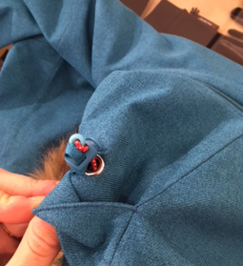
1/ blue morpho jkt
must be BLUE MORPHO / DARK NIGHT / WHITE
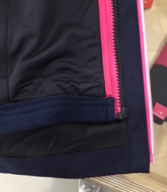
2/ DARK WINE jkt
FACINGS DARK NIGHT
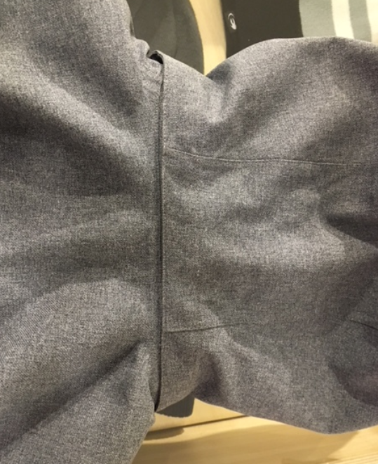
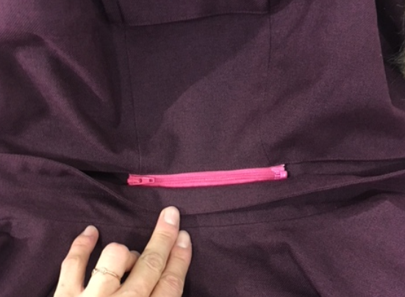
3/ YES
3/ NO
make the flap hood in bottom way...
...on the EIV4521 the flap is in the top way...

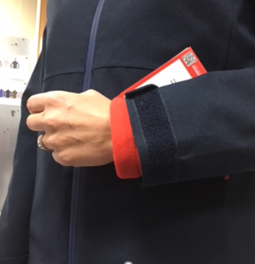
4/

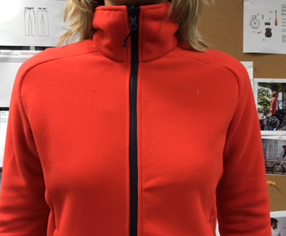
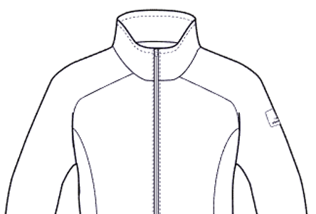
5/ No
5/ Yes

WOMEN ALPHA SIZE SPEC
 |  |  |  | WOMEN JACKET ALPHABETICAL SIZE SPEC
EIV | EIV4521 | STYLE | EIV4521 |  | BASE |  | VD18H1 |  |  | SAISON | FW1819 |  |  | DATE | 2017-06-30

 | DESIGNATION
 | MEASUREMENTS IN CM |  |  |  | ALLOWANCES | XS | S | M | L | XL | 2XL
 | FRONT JACKET MEASUREMENTS (IN CM)
 | B | FRONT BREADTH AT 12 CM FROM HPS |  |  | +/- 0,5 cm |  | -1.8 | 0 | 1.8 | 3.6 | 5.4
 | C | 1/2 CHEST ROUND |  |  | +/- 1 cm |  | -3 | 0 | 3 | 6 | 9
 | D | 1/2 WAIST ROUND AT 42 CM FROM HPS |  |  | +/- 1 cm |  | -3 | 0 | 3 | 6 | 9
REMPLIR TAILLE XS
 | IA | 1/2 BOTTOM RELAXED ROUND |  |  | +/- 1 cm |  | -3 | 0 | 3 | 6 | 9
 | IA' | 1/2 BOTTOM STRETCH ROUND |  |  | +/- 1 cm |  | -3 | 0 | 3 | 6 | 9
 | JA | LENGTH FROM HPS TO BOTTOM |  |  | +/- 1 cm
 | JB | CENTER FRONT LENGTH |  |  | +/- 1 cm |  | 0 | 0 | 0 | 2 | 4
 | KA | SHOULDER LENGTH |  |  | +/- 0,5 cm |  | -0.75 | 0 | 0.75 | 1.5 | 2.25
 | LA | 1/2 UPPER ARM WIDTH |  |  | +/- 0,5 cm |  | -1 | 0 | 1 | 2 | 3
 | LB | 1/2 ELBOW WIDTH AT 27 CM FROM SLEEVE-END |  |  | +/- 0,5 cm |  | -0.75 | 0 | 0.75 | 1.5 | 2.25
 | LC | 1/2 CUFF WIDTH |  |  | +/- 0,5 cm |  | -0.6 | 0 | 0.6 | 1.2 | 1.8
 | LC' | 1/2 CUFF WIDTH STRETCHED |  |  | +/- 0,5 cm |  | -0.6 | 0 | 0.6 | 1.2 | 1.8
 | N | TOTAL SLEEVE LENGTH CUFF + SHOULDER INCLUDED |  |  | +/- 1 cm |  | -1 | 0 | 1 | 2 | 3
 | BACK JACKET MEASUREMENTS (IN CM)
 | R | BACK BREADTH AT 12 CM FROM HPS |  |  | +/- 0,5 cm |  | -1.8 | 0 | 1.8 | 3.6 | 5.4
 | S | CENTER BACK LENGTH |  |  | +/- 1 cm |  | 0 | 0 | 0 | 2 | 4
 | LYCRA CUFF MEASUREMENTS (IN CM)
 | MA | 1/2 LYCRA CUFF WIDTH |  |  | +/- 0,5 cm |  | -0.5 | 0 | 0.5 | 1 | 1.5
 | MC | TOTAL INNER CUFF LENGTH |  |  | +/- 1 cm |  | 0 | 0 | 0 | 0 | 0
 | MCH | LYCRA CUFF LENGTH |  |  | +/- 0,5 cm |  | 0 | 0 | 0 | 0 | 0
 | MB | TOTAL INNER BOTTOM SLEEVE-END |  |  | +/- 0,5 cm |  | 0 | 0 | 0 | 0 | 0
 | MTA | LENGTH FROM THUMB HOLE |  |  | +/- 0 cm |  | 0 | 0 | 0 | 0 | 0
 | MTB | THUMB HOLE LENGTH |  |  | +/- 0 cm |  | 0 | 0 | 0 | 0 | 0
 | COLLAR MEASUREMENTS (IN CM)
 | UA2 | FRONT NECKLINE DEPTH |  |  | +/- 1 cm
 | UA3 | BACK NECKLINE DEPTH |  |  | +/- 1 cm
 | UB1 | INNER NECKLINE LENGTH |  |  | +/- 1 cm |  | -1.5 | 0 | 1.5 | 3 | 4.5
 | UB2 | COLLAR LENGTH AT THE TOP EDGE |  |  | +/- 1 cm |  | -1.5 | 0 | 1.5 | 3 | 4.5
 | UC1 | COLLAR HEIGHT AT CENTER BACK |  |  | +/- 0,5 cm |  | 0 | 0 | 0 | 0 | 0
 | UC3 | COLLAR HEIGHT AT MIDDLE FRONT |  |  | +/- 0,5 cm |  | 0 | 0 | 0 | 0 | 0
 | HOOD MEASUREMENTS (IN CM)
 | VA | HOOD LENGTH |  |  | +/- 1 cm |  | -0.6 | 0 | 0.6 | 1.2 | 1.8
 | VB | 1/2 CENTER HOOD WIDTH |  |  | +/- 0,5 cm |  | -0.7 | 0 | 0.7 | 1.4 | 2.1
 | VC | 1/2 BOTTOM HOOD WIDTH |  |  | +/- 0,5 cm
 | VHA | 1/2 CENTER HOOD HEIGHT RELAXED |  |  | +/- 0,5 cm |  | 0 | 0 | 0.45 | 0.9 | 1.35
 | VHA' | 1/2 CENTER HOOD HEIGHT STRETCHED |  |  | +/- 0,5 cm |  | 0 | 0 | 0.45 | 0.9 | 1.35

 | FINISH ZIPPER LENGTH (in CM) |  |  |  |  |  | 2XS | XS | S | M | L | XL | 2XL | 3XL
 | 1 | MIDDLE FRONT ZIP
 | 2 | CHEST POCKET
 | 3 | TOP LZFT SLEECE - SKI PASS
 | 4 | HAND POCKETS
 | 5 | REMOVABLE HOOD
 | 6 | INSIDE ZIPPED POCKET AT FRONT
 | 7 | INSIDE ZIPPED POCKET AT LEFT
 | 8 | ARIVENT

JACKET MEASUREMENTS
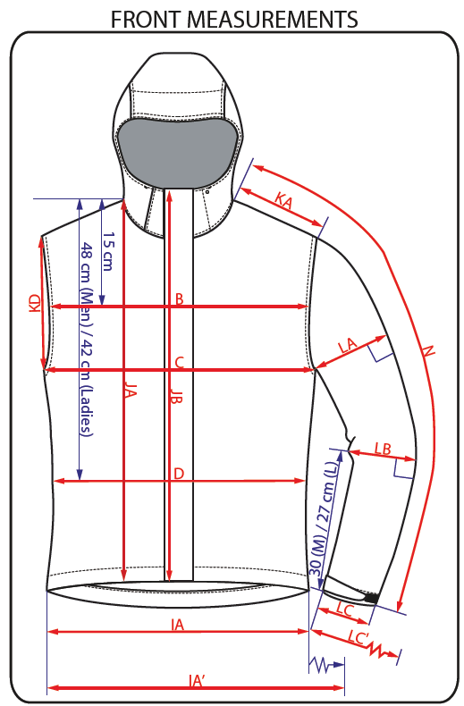
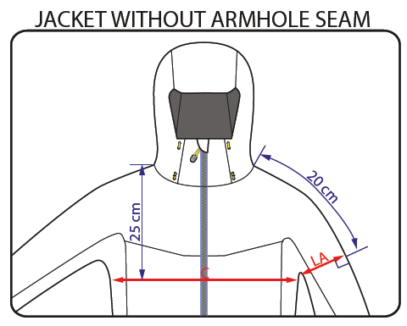
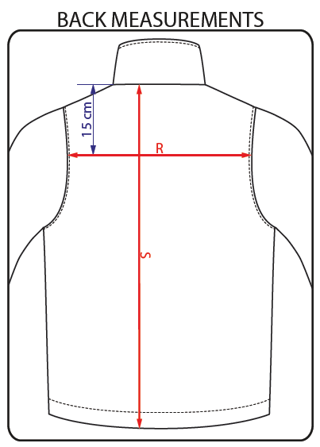
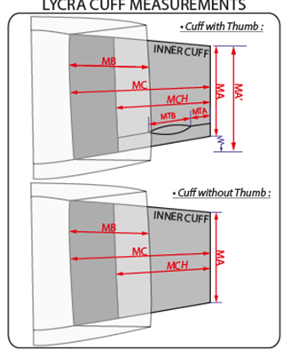
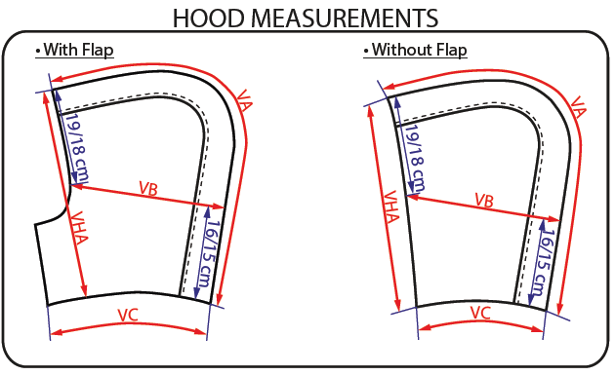
JACKET SKETCH MEASUREMENTS

